Sheet3
Bug report

Defect ID | Defect description | Module | Pre-condition | Replacation steps | Actual Result | Acceptance Criteria | Date Raised | Detected By | Status | Fixed By | Date close | Severity | Priority
DF-002 | Alphabet character is accepted in zip code | User registration | User should be in registration process of register form | a. Fill All the form b.Enter Alphabet character in zip code input field c.Click on save account information | User can register with alphabet zip code | User should not be allow to enter alphabet character in zip code input field. Proper validation message message should be givenabout invalid zip code | 5/7/23 | Arjun barakoti | opened | DEV-AAA | 5/7/23 | High | High
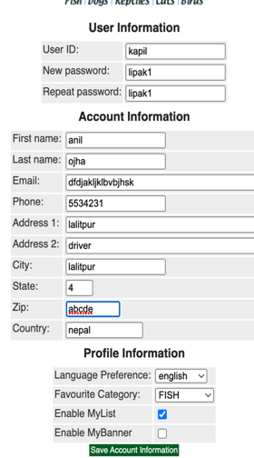

DF-003 | Password charater dissplay error | User Registration | User should be in register process of registration form | a. fill the form b. Enter the Password. Click on save button information | User password display for everyone | User should not be read the entered password it need to come with some special charater | 5/7/23 | arjun barakoti | Opened | DAV-BBB | 5/7/23 | High | High
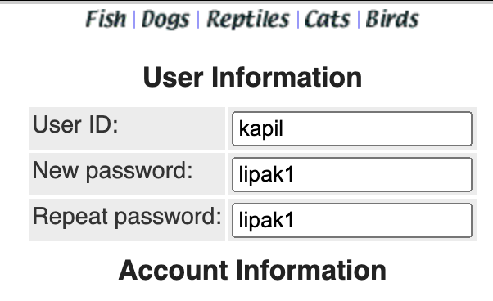

Df_004 | Missing entered Password display button if user wanna see | User registratiion | User should be in register process of registration form | a. fill the form b. Enter the Password. Click on save button information | display radio buttin is missiing on password enter and reenter field | it must be entered password display button onn the right side of fields | 5/7/23 | arjunn barakoti | opened | DAV-CCC | 5/7/23 | High | High

Sheet2
BUG REPORT
Defect ID | Defect Description | version | Date Raised | Detected By | Pre-condition | Actual result | Expected result | Status | fixed by | Date close | Severity | Priority | Attatchment
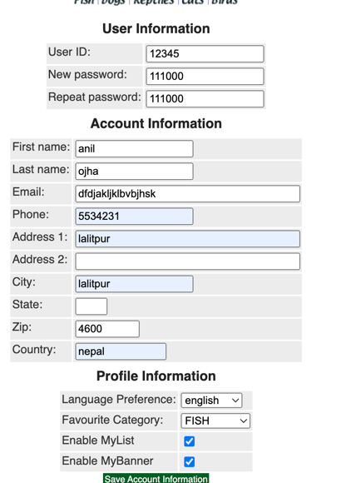
1 | Invalid email ID format acceptance | 111.01.23 | 5/6/23 | Arjun barakoti | 1. Go to register page 2.Fill Required fields 3.enter email as jhghfjdgfjhdgjh 4.click on save info button | Usr can register new user account with invalid email ID | User should not allow to use invalid email ID format to register to new user | opened | DEV-ABC | 5/7/23 | Hign | High | https://petstore.octoperf.com/actions/Account.action?newAccountForm=

1

